US20
 | Test Scenarios for SimpCity
 | Test Cases Creation |  |  | System Testing (TDA) |  |  | User Acceptance Testing |  | Team
 | User Stories: | US20 - As a user, I want to be able to go back to the main menu after I have ended the game. |  | Version Control: | V1 |  | Version Control: | V1 | Scrum Master: | Megan Png
 | Created By: | Hui Ying |  | Tester: | Hui Ying |  | User: |  | Tech Lead: | Claris
 | Status: | Done |  | Status: | Done |  | Status: | Pending | QA: | Hui Ying
 | Dated as of: | 8-Dec-21 |  | Test Date: | 11-Dec-21 |  | UAT Date: |  | Developer: | Amanda Chan
 | Reviwed By: |  |  | Reviwed By: |  |  | Reviwed By:
 | Tech Lead | Claris (Approved in GitHub Pull Request) |  | Scrum Master | Megan Png |  | Scrum Master: | <Signature>
 |  |  |  | Tech Lead | Claris (Approved in GitHub Pull Request) |  | Tech Lead: | <Signature>
 |  |  |  |  |  |  | QA: | <Signature>

 | condition to go back to the main menu feature
V1
S/NO | Test Scenario | Test Scenario Description | Test Values | Expected Outcome | Boundary? Equivalence? | Functional? Non-Functional? | Pass/ Fail | Actual Outcome | Test Result (Pass / Fail) | Remarks
1 | The returns back to the main menu after the game ends | 1. The user enters an option value of the numeric interger from "1" to "2" when the meesage "Your Choice? is prompted and the user selects an option from either "1" or "2" in the configre menu, then the message "Build Where?" is prompted, the user enters a location. | Before: Start New Game option is selected After: Your Choice? [From "1" to "2" "Build Where?" b2 | The user return to the main menu, the main menu options is display to them | Equivalence | Functional | Pass | 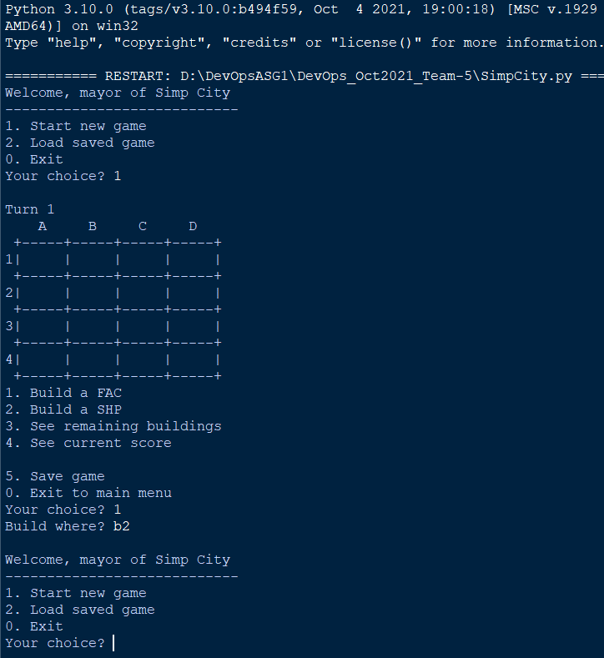 | Pass
2 | The number ranging from "3" to "5" or "0" is inputted by the user | 1. The user enters an option value of the numeric interger from "3" to "5" or "0" when the meesage "Your Choice? is prompted | Before: Start New Game option is selected After: Your Choice? [From "3" to "5" or "0" | The program will face an error as input validation is not done | Equivalence | Functional | Pass | 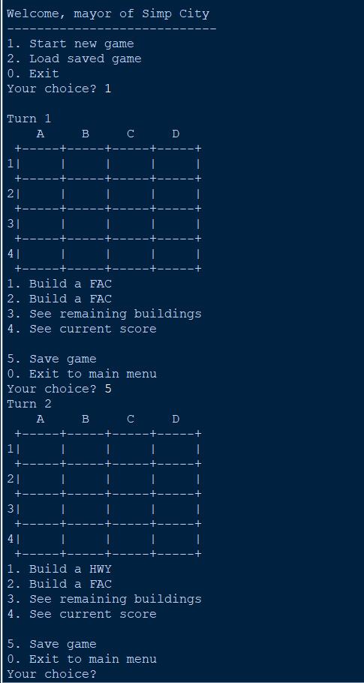 | Pass | Since, it was metion that the input validation is not done yet, hence this test case has passed as there is an error seen where by the configure menu is printed again and the turn number increased/
3 | The number"0" to "5" is not inputted by the user | 1. The user enters an option value that is not within the menu ["0" to "5"] e.g. 55 | Before: Start New Game option is selected After: Your Choice? [Anything not within the menu] | An error will occurred in the program as no input validation is done. | Equivalence | Functional | Pass | 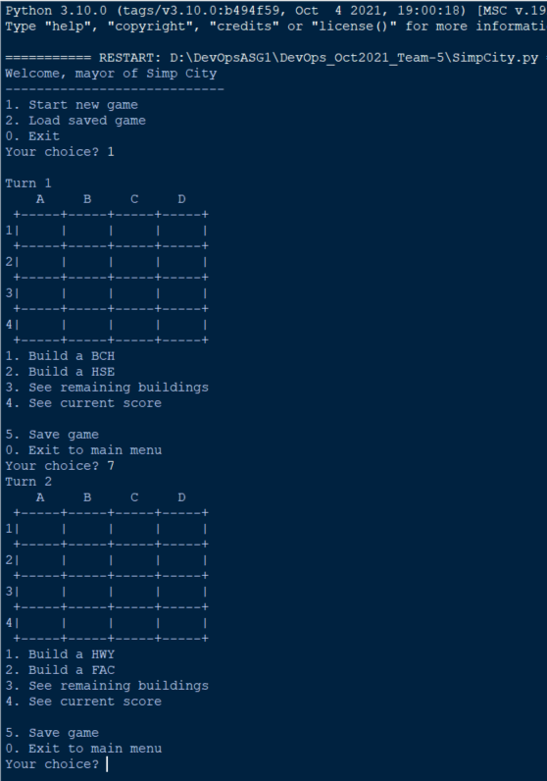 | Pass | Since, it was metion that the input validation is not done yet, hence this test case has passed as there is an error seen where by the configure menu is printed again and the turn number increased/
4 | The number "0" to "5" is not inputted by the user | 1. The user enters an any value except "3" to "5" or "0". | Before: | Start New Game option is selected |  | Functional
 |  | 2. The user restarts the program and the renters the option value "1" when the "Your Choice?" is prompted, the selects "1" or "2" in the configure | After: 1. [Any value except "0" to "5"] | An error will occurred in the program as no input validation is done. | Boundary |  | Fail |  | Pass | Since, it was metion that the input validation is not done yet, hence this test case has passed as there is an error seen where by the configure menu is printed again and the turn number increased/
 |  | 3. The users selects the Start New Game option again | After: 2. Nominal value: "1" to "2" | The user return to the main menu, the main menu options is display to them |  |  | Pass |  | Pass
 |  | 4. The users enters the value from that is not the in configure menu e.g. A* | After: 3. Values not in the confiugre menu e.g. A* | 3. The system will run into error as input validation is not done |  |  | Pass | 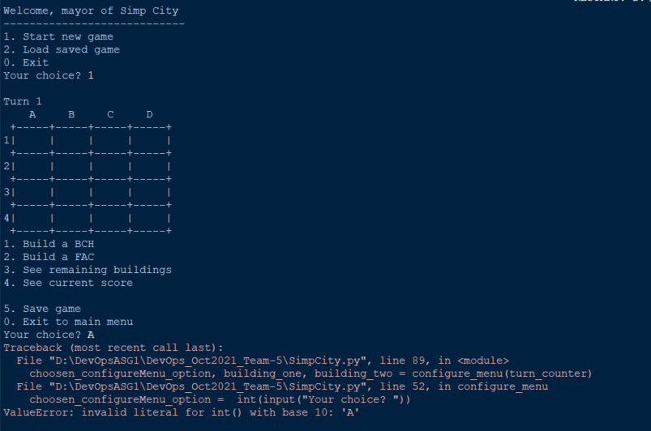 | Pass

